Calculating Output and Profit
Average and Marginal Costs(The Usual Chart)
 | AC | AFC | AVC | MC | Price
0 |  |  |  |  | 16
1 | 35.00 | 20 | 15 | 15 | 16
2 | 22.00 | 10 | 12 | 9 | 16
3 | 16.67 | 6.6666666667 | 10 | 6 | 16
4 | 13.75 | 5 | 8.75 | 5 | 16
5 | 12.00 | 4 | 8 | 5 | 16
6 | 10.92 | 3.3333333333 | 7.5833333333 | 5.5 | 16
7 | 10.29 | 2.8571428571 | 7.4285714286 | 6.5 | 16
8 | 10.00 | 2.5 | 7.5 | 8 | 16
9 | 10.00 | 2.2222222222 | 7.7777777778 | 10 | 16
10 | 10.30 | 2 | 8.3 | 13 | 16
11 | 10.91 | 1.8181818182 | 9.0909090909 | 17 | 16
12 | 11.92 | 1.6666666667 | 10.25 | 23 | 16
13 | 13.23 | 1.5384615385 | 11.692307692 | 29 | 16
Cost Curves up to q=20
 | TC | FC | VC | AC | AFC | AVC | MC
0 | 20 | 20 | 0
1 | 35 | 20 | 15 | 35.00 | 20 | 15 | 15
2 | 44 | 20 | 24 | 22.00 | 10 | 12 | 9
3 | 50 | 20 | 30 | 16.67 | 6.6666666667 | 10 | 6
4 | 55 | 20 | 35 | 13.75 | 5 | 8.75 | 5
5 | 60 | 20 | 40 | 12.00 | 4 | 8 | 5
6 | 66 | 20 | 46 | 10.92 | 3.3333333333 | 7.5833333333 | 5.5
7 | 72 | 20 | 52 | 10.29 | 2.8571428571 | 7.4285714286 | 6.5
8 | 80 | 20 | 60 | 10.00 | 2.5 | 7.5 | 8
9 | 90 | 20 | 70 | 10.00 | 2.2222222222 | 7.7777777778 | 10
10 | 103 | 20 | 83 | 10.30 | 2 | 8.3 | 13
11 | 120 | 20 | 100 | 10.91 | 1.8181818182 | 9.0909090909 | 17
12 | 143 | 20 | 123 | 11.92 | 1.6666666667 | 10.25 | 23
13 | 172 | 20 | 152 | 13.23 | 1.5384615385 | 11.692307692 | 29
14 | 208 | 20 | 188 | 14.86 | 1.4285714286 | 13.428571429 | 36
15 | 252 | 20 | 232 | 16.80 | 1.3333333333 | 15.466666667 | 44
16 | 305 | 20 | 285 | 19.06 | 1.25 | 17.8125 | 53
17 | 368 | 20 | 348 | 21.65 | 1.1764705882 | 20.470588235 | 63
18 | 442 | 20 | 422 | 24.56 | 1.1111111111 | 23.444444444 | 74
19 | 528 | 20 | 508 | 27.79 | 1.0526315789 | 26.736842105 | 86
20 | 627 | 20 | 607 | 31.35 | 1 | 30.35 | 99
Cost Curves up to q=10
 | TC | FC | VC | AC | AFC | AVC | MC
0 | 20 | 20 | 0
1 | 35 | 20 | 15 | 35.00 | 20 | 15 | 15
2 | 44 | 20 | 24 | 22.00 | 10 | 12 | 9
3 | 50 | 20 | 30 | 16.67 | 6.6666666667 | 10 | 6
4 | 55 | 20 | 35 | 13.75 | 5 | 8.75 | 5
5 | 60 | 20 | 40 | 12.00 | 4 | 8 | 5
6 | 66 | 20 | 46 | 10.92 | 3.3333333333 | 7.5833333333 | 5.5
7 | 72 | 20 | 52 | 10.29 | 2.8571428571 | 7.4285714286 | 6.5
q | TC | FC | VC | AC | AFC | AVC | MC | Price | TR | AR | MR | Profits π | If P=16 and FC=20, how much will the firm produce and what will it's profit be? | If we add the TC, VC, and FC curves, they can make the diagram very hard to use. Because they don't help us with the analysis, we generally omit them.
0 | 20 | 20 | 0 |  |  |  |  | 16 | 0 |  | 15 | -20
1 | 35 | 20 | 15 | 35.00 | 20 | 15 | 15 | 16 | 16 | 16 | 16 | -19
2 | 44 | 20 | 24 | 22.00 | 10 | 12 | 9 | 16 | 32 | 16 | 16 | -12
3 | 50 | 20 | 30 | 16.67 | 6.6666666667 | 10 | 6 | 16 | 48 | 16 | 16 | -2
4 | 55 | 20 | 35 | 13.75 | 5 | 8.75 | 5 | 16 | 64 | 16 | 16 | 9
5 | 60 | 20 | 40 | 12.00 | 4 | 8 | 5 | 16 | 80 | 16 | 16 | 20
6 | 66 | 20 | 46 | 10.92 | 3.3333333333 | 7.5833333333 | 5.5 | 16 | 96 | 16 | 16 | 31
7 | 72 | 20 | 52 | 10.29 | 2.8571428571 | 7.4285714286 | 6.5 | 16 | 112 | 16 | 16 | 40
8 | 80 | 20 | 60 | 10.00 | 2.5 | 7.5 | 8 | 16 | 128 | 16 | 16 | 48
9 | 90 | 20 | 70 | 10.00 | 2.2222222222 | 7.7777777778 | 10 | 16 | 144 | 16 | 16 | 54
10 | 103 | 20 | 83 | 10.30 | 2 | 8.3 | 13 | 16 | 160 | 16 | 16 | 57
11 | 120 | 20 | 100 | 10.91 | 1.8181818182 | 9.0909090909 | 17 | 16 | 176 | 16 | 16 | 56
12 | 143 | 20 | 123 | 11.92 | 1.6666666667 | 10.25 | 23 | 16 | 192 | 16 | 16 | 49
13 | 172 | 20 | 152 | 13.23 | 1.5384615385 | 11.692307692 | 29 | 16 | 208 | 16 | 16 | 36
14 | 208 | 20 | 188 | 14.86 | 1.4285714286 | 13.428571429 | 36 | 16 | 224 | 16 | 16 | 16
15 | 252 | 20 | 232 | 16.80 | 1.3333333333 | 15.466666667 | 44 | 16 | 240 | 16 | 16 | -12
16 | 305 | 20 | 285 | 19.06 | 1.25 | 17.8125 | 53 | 16 | 256 | 16 | 16 | -49
17 | 368 | 20 | 348 | 21.65 | 1.1764705882 | 20.470588235 | 63 | 16 | 272 | 16 | 16 | -96
18 | 442 | 20 | 422 | 24.56 | 1.1111111111 | 23.444444444 | 74 | 16 | 288 | 16 | 16 | -154
19 | 528 | 20 | 508 | 27.79 | 1.0526315789 | 26.736842105 | 86 | 16 | 304 | 16 | 16 | -224
20 | 627 | 20 | 607 | 31.35 | 1 | 30.35 | 99 | 16 | 320 | 16 | 16 | -307

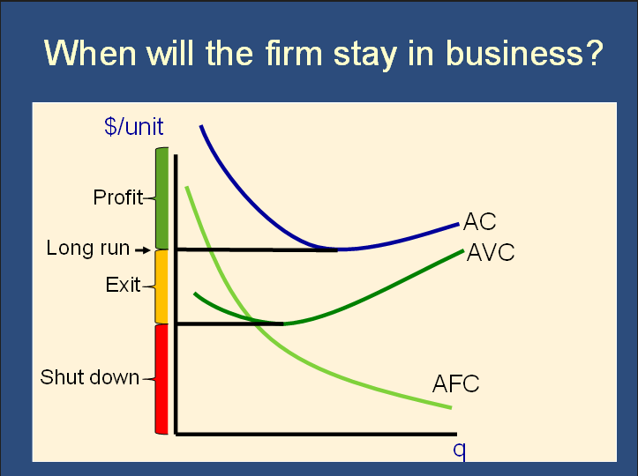

Suppose: P=9 and FC=10. What are the optimal quantity and the profit?
Using the table: (assume that this is a discrete good).
Step ①: We look for the highest quantity where P≥MC. P=$9. We skip over q=1 and q=2, looking for the first row where P>MC (ie row 3, where MC=6). P>MC when q is 3, 4, 5, or 6. Therefore q=6 is the last quantity where P≥MC. q*=6.
Step ②: If q*=6, then AVC=$8.17, according to the table. P=$9, which is more than $8.17. Therefore P>AVC and the firm won't shut down. It will produce q*=6 units.
Step ③: To calculate profit, we need P, AC, and q. P=$9, q=6, and when q=6, AC=$9.83.
Profit = q*(P-AC) = 6*($9-$9.83) = -$4.98.
Despite having a negative profit, this firm won't shut down. See the example using the graph, immediately below, for more discussion of this.
Using the graph: (assume that this is a continuous good)
Step ①: MC intersects P at around q=6.5. If I assume that it is a continous good then q* would be around 6.5. If I assume that it is a discrete good, the firm would produce up to the last unit where P>MC. When you produce q=6, P>MC, but when you produce q=7, P<MC. Therefore, q=6 is the last unit where P≥MC and q* is 6. Going forward, let's just assume this is a continuous good. Therefore q*=6.5, approximately.
Step ②: q* is 6.5, and when q* is 6, it is clear from the diagram that the green line (AVC) is lower than the black line (Price). Therefore, P>AVC, and the firm won't shut down. It will produce at q*, which is approximately 6.5 units.
Step ③: To calculate profit, we need P, AC, and q. P=$9, q=6.5 (ish), and it is hard to see exactly what AC is, but it looks to be around 9.6 in the diagram when q=6.5.
Profit = 6.5*($9-$9.6) = -$3.9
Note that this is a strange situation. We are in the "Yellow Area." This firm will not shut down, even though it is losing money. It won't shut down because if it does shut down, it will still need to pay its fixed costs. It will therefore lose even more money than it would lose if it produced 6.5 units. It is therefore optimal for it to continue to produce in the short run. HOWEVER, in the long run, fixed costs are no longer fixed. It has the option of exiting the market (ie going out of business) and not paying it's fixed costs. Because it has a negative profit, it will do exactly this. It's basically a zombie company at this point - the walking dead.
This will always happen if the price is between the lowest point in the AC curve and the lowest point in the AVC curve. We call this area the "Yellow Zone" because of the diagram on this sheet.

Suppose: P=9 and FC=1000. What are the optimal quantity and the profit?
Using the table: (assume that this is a discrete good).
Step ①: We look for the highest quantity where P≥MC. P=$9. We skip over q=1 and q=2, looking for the first row where P>MC (ie row 3, where MC=6). P>MC when q is 3, 4, 5, or 6. Therefore q=6 is the last quantity where P≥MC. q*=6.
Step ②: If q*=6, then AVC=$8.17, according to the table. P=$9, which is more than $8.17. Therefore P>AVC and the firm won't shut down. It will produce q*=6 units.
Step ③: To calculate profit, we need P, AC, and q. P=$9, q=6, and when q=6, AC=$175.
Profit = q*(P-AC) = 6*($9-$175) = -$996.
Despite having a negative profit, this firm won't shut down. See the example using the graph, immediately below, for more discussion of this.
Using the graph: (assume that this is a continuous good)
Step ①: MC intersects P at around q=6.5. If I assume that it is a continous good then q* would be around 6.5. If I assume that it is a discrete good, the firm would produce up to the last unit where P>MC. When you produce q=6, P>MC, but when you produce q=7, P<MC. Therefore, q=6 is the last unit where P≥MC and q* is 6. Going forward, let's just assume this is a continuous good. Therefore q*=6.5, approximately.
Step ②: q* is 6.5, and when q* is 6, it is clear from the diagram that the green line (AVC) is lower than the black line (Price). Therefore, P>AVC, and the firm won't shut down. It will produce at q*, which is approximately 6.5 units.
Step ③: To calculate profit, we need P, AC, and q. P=$9, q=6.5 (ish), and it is hard to see exactly what AC is, but it looks to be around 9.6 in the diagram when q=6.5.
Profit = 6.5*($9-$175) = -$1079
Note that this is a strange situation. We are in the "Yellow Area." This firm will not shut down, even though it is losing money. It won't shut down because if it does shut down, it will still need to pay its fixed costs. It will therefore lose even more money than it would lose if it produced 6.5 units. It is therefore optimal for it to continue to produce in the short run. HOWEVER, in the long run, fixed costs are no longer fixed. It has the option of exiting the market (ie going out of business) and not paying it's fixed costs. Because it has a negative profit, it will do exactly this. It's basically a zombie company at this point - the walking dead.
This will always happen if the price is between the lowest point in the AC curve and the lowest point in the AVC curve. We call this area the "Yellow Zone" because of the diagram on this sheet.

Example from Section
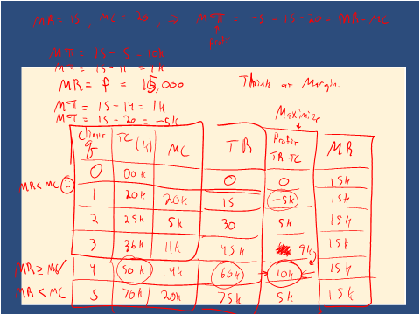

Clients (q) | Total Cost (K) | MC | TR | Profits (TR-TC) | MR
0 | 0 |  | 0 | 0 | 15
1 | 20 | 20 | 15 | -5 | 15
2 | 25 | 5 | 30 | 5 | 15
3 | 36 | 11 | 45 | 9 | 15
4 | 50 | 14 | 60 | 10 | 15
5 | 70 | 20 | 75 | 5 | 15

