Answers
q | MC | AC | AVC | AFC | TC | FC | VC
0 |  |  |  |  | 100 | 100
1 | 104-100 | 104 | 4 |  | 104 | FC↑=100 | 4
2 | 2 | TC/q= 53.5 | VC/q=AC-AFC=3.5 | 50 | 107 | FC↑ | TC-FC=7
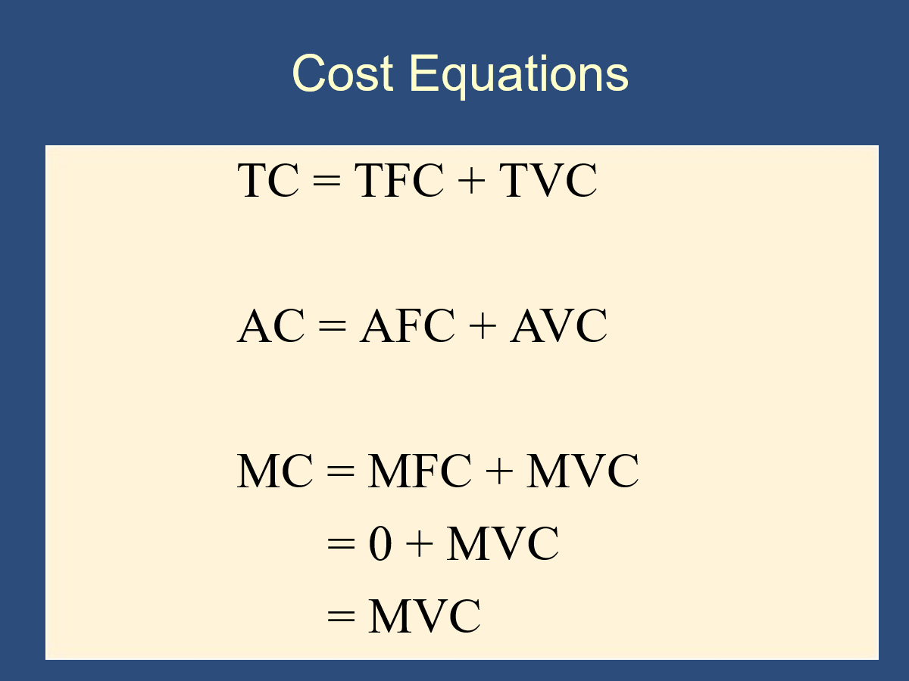
3 | 109-107 | 36.333333333 | 3 | 33.333333333 | 109 |  | 9
4 | 1 |  |  |  | FC+VC=109↑+MC |  | 10
5 | 2 |  |  |  | 112 |  | 12
6 | 3 |  |  |  | 115 |  | TC-FC=15
7 | 4 | 119/7 | 19/7 | 100/7 | FC+VC=119 |  | 19
8 | 6 | 125/8 | 25/8 | 100/8 | 119+6=125 |  | 19+6=25
9 | 8 |  |  |  | 133 |  | 33
10 | 11 |  |  |  | 133+11 |  | 44
11 | 15 |  |  |  | 159 |  | 44+15
12 | 20 |  |  |  | 159+20 |  | 79
13 | 25 |  |  |  | 204 | 100
14 | 30 | 16.714285714 | 9.5714285714 | 7.1428571429 | 234 | 100 | 134
15 | 35 | 17.933333333 | 11.266666667 | 6.6666666667 | 269 | 100 | 169
16 | 40 | 19.3125 | 13.0625 | 6.25 | 309 | 100 | 209
17 | 45 | 20.823529412 | 14.941176471 | 5.8823529412 | 354 | 100 | 254
18 | 50 | 22.444444444 | 16.888888889 | 5.5555555556 | 404 | 100 | 304

Graphed
q | MC | AC | AVC | AFC | TC | FC | VC
0 |  |  |  |  | 100 | 100
1 | 4 | 104 | 4 | 100 | 104 | 100 | 4
2 | 3 | 53.5 | 3.5 | 50 | 107 | 100 | 7
3 | 2 | 36.333333333 | 3 | 33.333333333 | 109 | 100 | 9
4 | 1 | 27.5 | 2.5 | 25 | 110 | 100 | 10
5 | 2 | 22.4 | 2.4 | 20 | 112 | 100 | 12
6 | 3 | 19.166666667 | 2.5 | 16.666666667 | 115 | 100 | 15
7 | 4 | 17 | 2.7142857143 | 14.285714286 | 119 | 100 | 19
8 | 6 | 15.625 | 3.125 | 12.5 | 125 | 100 | 25
9 | 8 | 14.777777778 | 3.6666666667 | 11.111111111 | 133 | 100 | 33
10 | 11 | 14.4 | 4.4 | 10 | 144 | 100 | 44
11 | 15 | 14.454545455 | 5.3636363636 | 9.0909090909 | 159 | 100 | 59
12 | 20 | 14.916666667 | 6.5833333333 | 8.3333333333 | 179 | 100 | 79
13 | 25 | 15.692307692 | 8 | 7.6923076923 | 204 | 100 | 104
14 | 30 | 16.714285714 | 9.5714285714 | 7.1428571429 | 234 | 100 | 134
15 | 35 | 17.933333333 | 11.266666667 | 6.6666666667 | 269 | 100 | 169
16 | 40 | 19.3125 | 13.0625 | 6.25 | 309 | 100 | 209
17 | 45 | 20.823529412 | 14.941176471 | 5.8823529412 | 354 | 100 | 254
18 | 50 | 22.444444444 | 16.888888889 | 5.5555555556 | 404 | 100 | 304
If a cost doesn't go away when q=0, then it is fixed. Therefore, when q=0, FC=TC and VC=0. Always.

